Required Server&Node Licenses
■Structure of products and number of required licenses
For structure of products and license for Infrastructure Manager, refer to "First Step Guide."

■Server license
Purchase one license for each Infrastructure Manager (virtual appliance).

■Node license
Purchase based on the number of nodes monitored from Infrastructure Manager.

Example: Number of required node licenses for each managed node and unit

 | Table 28: Type of node and number of required node licenses
 | Type of Node |  | Unit |  | No. of Required Node Licenses
 | Server/ Chassis | Tower Server /Rack Server (PRIMERGY TX/RX) | Chassis |  | 1 x Node license
 |  | Multi-node Server (PRIMERGY CX) | Server Node
 |  | Blade Server (PRIMERGY BX) | Chassis
 |  |  | Server Blade
 |  |  | Switch Blade
 |  | PRIMEQUEST 3000B | Server Node |  | 1 x Node license
 |  | PRIMEQUEST 2000/3000E | Chassis |  | 5 x Node licenses
 |  | PRIMEQUEST 4000 | Partition |  | 1 x Node licenses
 | Storage | ETERNUS DX | Physical controller configurations with one or more CM (Controller Module) |  | 1 x Node license
 |  | ETERNUS NR | Physical chassis configuration with one or more nodes |  | 1 x Node license
 | Network Device (Connection Blade, Switch) |  | Chassis with IP address setting * Fabric IPs are not counted |  | 1 x Node license
 | Facility

 | ・ Devices, which have IP address, require node licenses
 | ・ PRIMEQUEST 3000B requires 1 node license per chassis
 | ・ PRIMEQUEST 2000/3000E series require 5 node licenses per chassis
 | ・ Chassis of Multi-node Server and PRIMEQUEST 4000 series do not require license
 | ・ Node licenses cannot be divided.

 |  | Example: Rack servers, multi-node servers, switches, and storages are managed
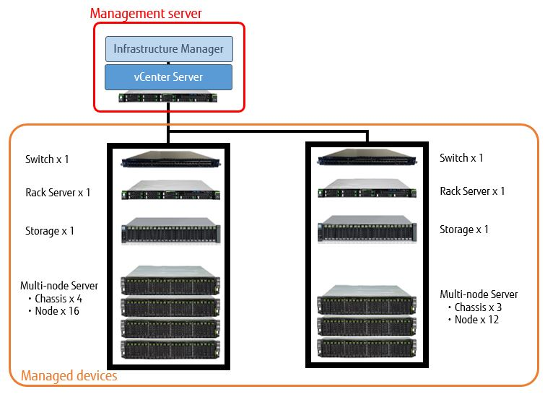

 |  | Table 29: Number of required node licenses in the above case

 |  | Type of Node |  | No. of Unit | No. of Required Node Licenses
 |  | Rack Server |  | 2 | 2 x Node licenses
 |  | Multi-node Server | Chassis | 7 | - (*)
 |  |  | Server node | 28 | 28 x Node licenses
 |  | Switch |  | 2 | 2 x Node licenses
 |  | Storage |  | 2 | 2 x Node licenses
 |  | * The license for chassis of Multi-node Server is not required.

 |  |  |  |  |  | Copyright 2017-2024 Fujitsu Limited

